Pre-consultation Guide
Guide for Pre-Consultation Inquiry to a Preferred Supervisor
1. Points to Note
1) Purpose: The preliminary consultation (Pre-Consultation) is specifically designed to ensure that your research plan and theme are well-aligned with your desired graduate schools and potential supervisors. Using the ‘University Information’ and the ‘Preliminary Consultation Inquiry Sheet’, you can reach out to your desired graduate schools in a proper and effective manner.
2) Duration: The pre-consultation period shall be from July 1 to the October31, 2025.
3) Target for Pre-Consultation: The Pre-Consultation is intended for universities (graduate schools) to which applicants wish to apply through the pre-application matching process.

Please follow the steps below to conduct a pre-consultation with the graduate school you wish to apply to.

2. Confirm the Acceptability of Pre-Consultation of Each Graduate School.
 | プログラム別大学リスト（University Information for each program)

(1) Click to open the "University Information" of the JICA program you are participating in. (2) Please ensure to confirm whether the acceptance of pre-consultation from candidates is possible at Column W. You can only conduct pre-consultations with graduate schools marked as Yes (Mandatory) and Yes （Acceptable）. If " Yes （Mandatory） or Yes （Acceptable）is marked, you must fill out all the required information on this Pre-Consultation Sheet and submit it to the contact listed in "Column X-Y". If "Column AA" is marked as No, you must not conduct the pre-consultation. The Pre-Consultation availability is as follows;

・Yes （Mandatory） |  | You must conduct a pre-consultation with the graduate school you are applying to or the supervisor you wish to work with.
・Yes （Acceptable） |  | You may have a pre-consultation with the desired graduate school and supervisor.
・No |  | Pre-consultation is not accepted. Please do not send a consultation sheet to the graduate school.
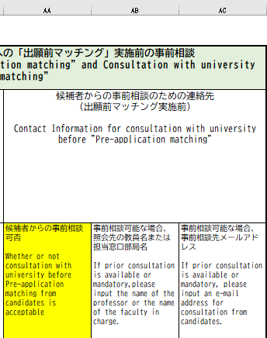
Column W
Column X
Column Y

3. How to Fill Out the Pre-Consultation Sheet

(1) Please fill in all the fields highlighted in yellow in the "Basic Information of Applicant" section.

Basic Information of Applicant
Name of Desired University |  |  | Refer to "Column E" in the University Information.
Name of Desired Graduate School |  |  | Refer to "Column F" in the University Information.
Graduate School Code |  |  | Refer to "Column B." ex) 3701A
Name of Course |  |  | Refer to "Column G and H."
Name of Preferred Supervisor |  |  | Refer to Column I. Even if you find a different supervisor's name at the URL in Column T or Column V, you should select the name from Column I as the potential supervisor.
JICA Program (Select from dropdown list) |  |  | Please select your program, such as ABE Initiative, (Africa) SDGs GL etc.
Name of Applicant |  |  | Your Name
E-mail Address |  |  | Your contact e-mail address
Country |  |  | Country of Residence
Current Organization Name |  |  | Please fill out the name of the organization you are currently working for.
Final Academic Background |  |  | The degree you have obtained
Field of Study (FS) / Specific Research Field (SRF) |  |  | Please specify the field of study or major you have completed.
Research Theme Title (tentative theme is acceptable) |  |  | Please specify the research theme/ title.

(2) Inquires to the University

Points to note for the "Inquires to the University" section: **SHOULD NOT:**☹ - Attaching only the research plan or thesis without any questions, leaving the section blank. - Attaching only the research plan or thesis and asking, "Which laboratory matches my research?" - Asking questions without checking the potential supervisor or desired laboratory's website to understand what research the professor or laboratory is conducting. **SHOULD:**☺ - Thoroughly review the research content of the desired laboratory and potential supervisor on the university's website. Formulate your questions based on this information. This step is crucial, so please ensure you complete it. - To check more details about the desired graduate school and supervisor information, please refer to the University Information in Column J (Website for the graduate school), Column P (Messages for Candidates), Column T and V (URL or documents to refer to a list of professors with whom candidates may apply) in addition to the university's official website.

University Information

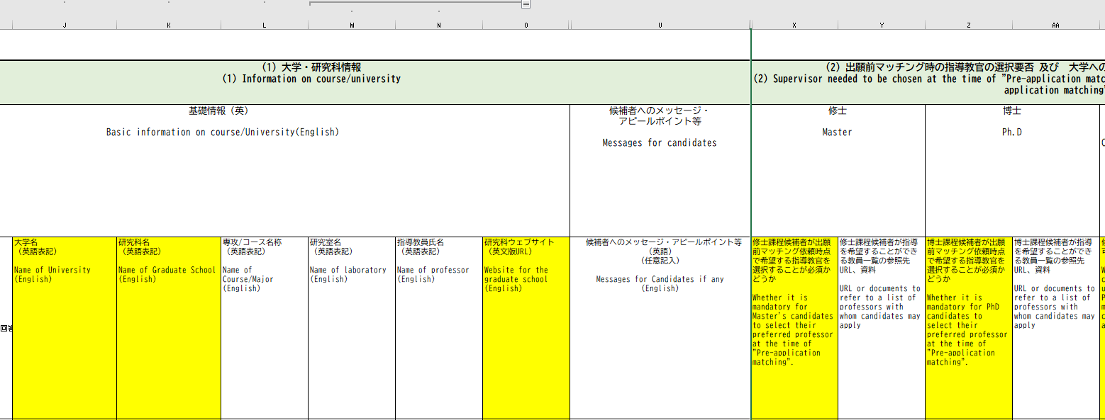
Column J
Column P
Column T
Column V
Website for the graduate school
Messages for Candidates
URL or documents to refer to a list of professors with whom candidates may apply.

 |  |  |  | Even if you find a different supervisor's name at the URL in Column T or Column V, you should select the name from Column I as the potential supervisor.

 |  |  |  | *If you are attaching research papers or other documents, please list the attachment names at the bottom.

